Students
Credits left
 | Left
Josh D1 | 14
Josh D2 | 12
Charlotte | 12
William | 12
Daphne | 14
 | 0
 | 0
 | 0
 | 0
 | 0
Students & Class Credits |  |  |  |  |  |  |  |  |  |  |  | ←
ID | Name | Age | School | WeChat | Package | Total | Used | Left | Renew flag | From trial | Absences
STU-01 | Josh D1 | 7 | Dulwich |  | Semester+1 | 20 | 6 | 14 | OK | TR-01
STU-02 | Josh D2 | 6 | Dulwich |  | Semester | 12 | 0 | 12 | OK |  | 0
STU-03 | Charlotte | 5 | Dulwich |  | Semester | 12 | 0 | 12 | OK |  | 0
STU-04 | William | 7 | Dulwich |  | Semester | 12 | 0 | 12 | OK |  | 0
STU-05 | Daphne | 9 | YCIS |  | 18-class | 18 | 4 | 14 | OK |  | 0

Channel_Pivot
Revenue by channel
Channels and Revenue |  |  |  |  |  |  |  | ←
Source | Leads | Contacting | Trial booked | Enrolled | Parked | Conv. | Revenue ¥
CCA showcase | 1 | 1 | 0 | 0 | 0 | 0% | 0
School event | 0 | 0 | 0 | 0 | 0 | 0% | 0
Referral | 1 | 0 | 0 | 1 | 0 | 100% | 8,000
Walk-in | 0 | 0 | 0 | 0 | 0 | 0% | 0
Social | 0 | 0 | 0 | 0 | 0 | 0% | 0
EKA | 0 | 0 | 0 | 0 | 0 | 0% | 0
Partner | 0 | 0 | 0 | 0 | 0 | 0% | 0
Birthday WS | 0 | 0 | 0 | 0 | 0 | 0% | 0
TOTAL | 2 | 1 | 0 | 1 | 0 | 50% | 8000
Month | Revenue (paid)
2026-10 | 0
2026-11 | 0
2026-12 | 0
2027-01 | 0
2027-02 | 0
Leads by channel
2027-03 | 0
2027-04 | 0
2027-05 | 0
2027-06 | 0
2027-07 | 0
2027-08 | 0
2027-09 | 0

Monthly revenue (paid)

Calendar
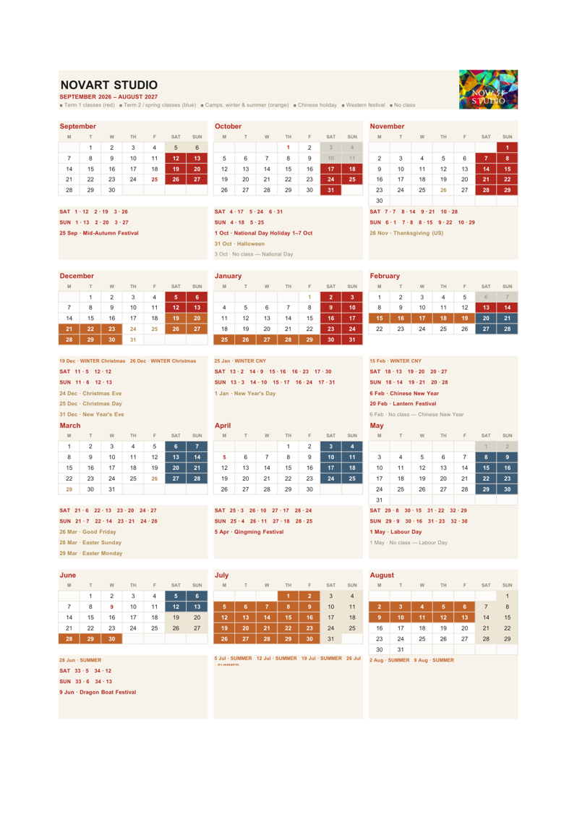
Class Calendar | ←

Halloween
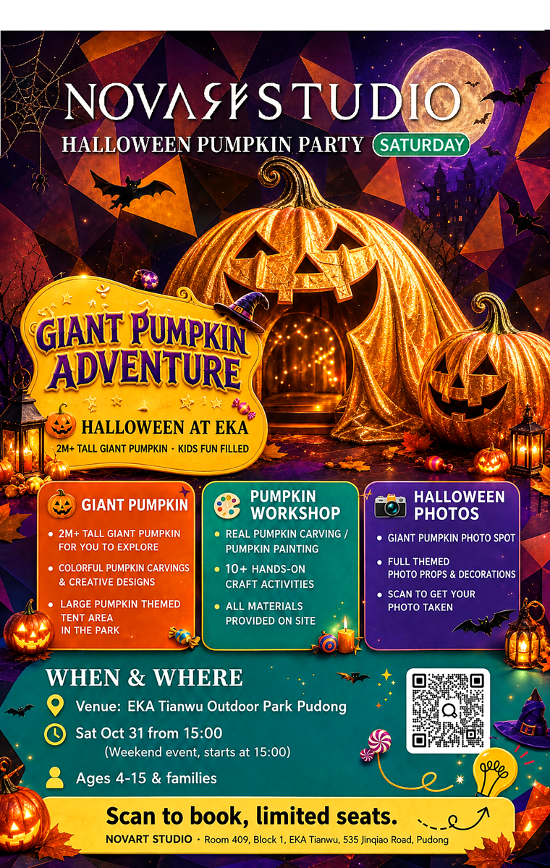
Halloween Flyer | ←

ForFun_EN

ForFun EN | ←

Flyer
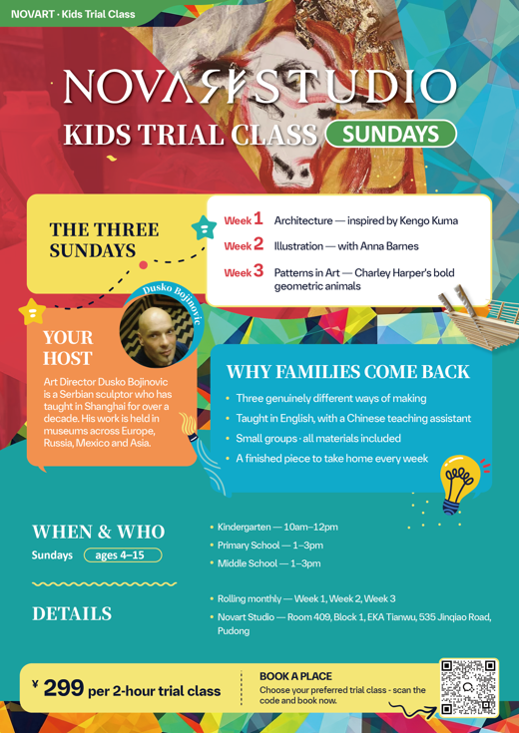
Trial Flyer | ←

Invoice_Poster
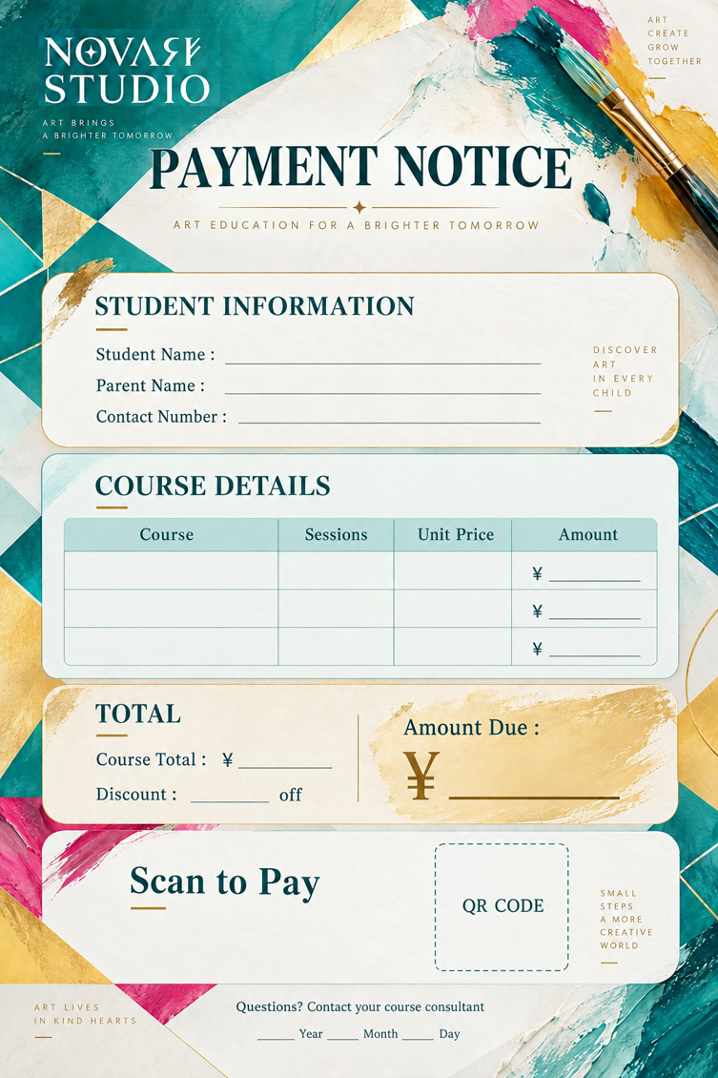
Invoice Poster | ←

Consent_Poster
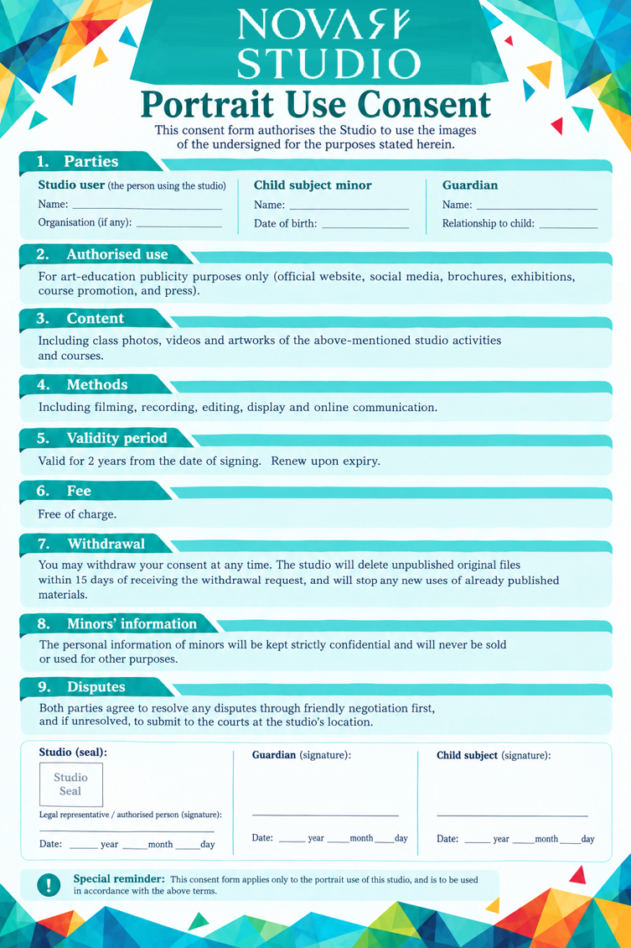
Consent Poster | ←

Survey_Poster
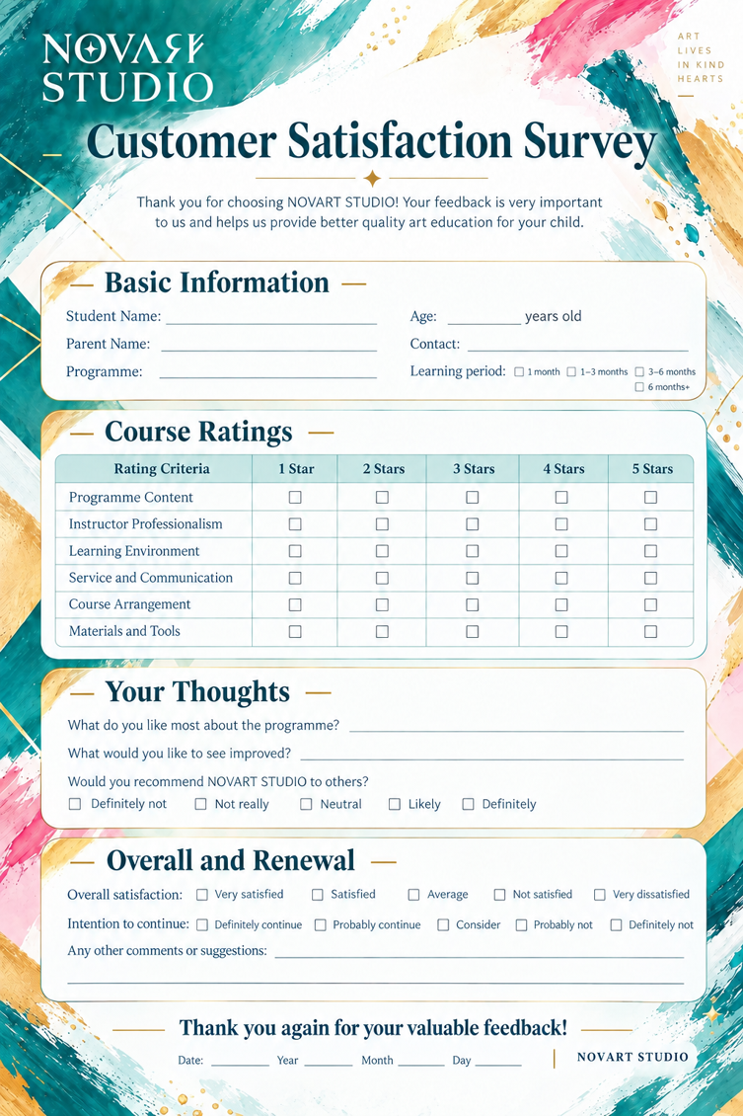
Survey Poster | ←

Certificate

Completion Certificate | ←

